Small Business Expense Report T

 | Company Addess |  |  | SMALL BUSINESS EXPENSE REPORT TEMPLATE
 | Company Email
 | Company Website
 | Company Number
EXPENSES OF THE MONTH
OCTOBER

STARTING DATE |  | ENDING DATE |  |  |  |  |  |  | SUBTOTAL |  |  | $6,284.50
2024-10-20 |  | 2024-10-28
PURPOSE |  |  |  |  |  |  |  |  | ADVANCES |  |  | $200.00
Quarter 1 owner deliverables
SUBMITTED BY |  |  |  |  |  |  |  |  | TOTAL TRAVEL EXPENSES REIMBURSEMENT |  |  | $6,084.50
NAME | TITLE | DEPARTMENT | PHONE
Bert D. | Sales Associate | Sales | 333-2342

EXPENSE DETAILS
DATE | DESCRIPTION |  | LODGING | MEALS | SUPPLIES | PARKING | AIRFARE | TRANSPORTATION | RENTAL VEHICLE | OTHER | DAILY TOTALS | COMMENTS
20-Oct-2024 | Client meeting |  | $150.00 | $85.00 | $- | $20.00 | $700.00 | $12.00 | $300.00 | $- | $1,267.00
25-Oct-2024 | Proposal delivery |  | $300.00 | $120.00 | $25.00 | $6.50 | $845.00 | $44.00 | $300.00 | $50.00 | $1,690.50 | Copy center supplies, donation to client organization
25-Oct-2024 | Quarter 1 meeting |  | $150.00 | $800.00 | $- | $30.00 | $400.00 | $35.00 | $300.00 | $- | $1,715.00
28-Oct-2024 | Roundtable with client |  | $280.00 | $350.00 | $- | $20.00 | $650.00 | $12.00 | $300.00 | $- | $1,612.00

CATEGORY TOTALS |  |  | $880.00 | $1,355.00 | $76.50 | $2,595.00 | $2,595.00 | $103.00 | $1,200.00 | $50.00
*DON’T FORGET TO ATTACH ALL RECEIPTS*

ADDITIONAL NOTES - FOR OFFICE USE ONLY

APPROVAL
REQUESTED BY |  | SIGNATURE |  | DATE
Bert D.
APPROVED BY |  | SIGNATURE |  | DATE
0

Instructions
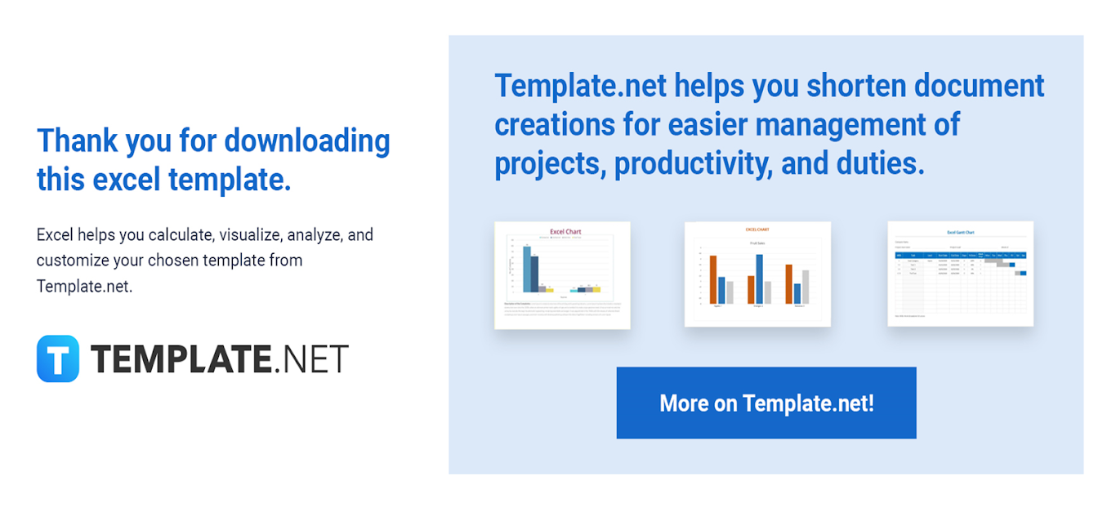
https://docs.google.com/spreadsheets/d/14XNiJUj2hQe99PXcltm-A1ZWsNnBGvOAK-g4TxxXhJA/edit#gid=1595199968

 | The following are instructions on how to use the template.

 | 1. Edit or add content like inserting rows and columns to the template.
 | 2. There are no locked-up cells for easier editing of cell names.
 | 3. Feel free to change any formula available.

 | Should you need assistance, please contact our Customer Support Team using the chat box found on the website.

